Introduction (1)
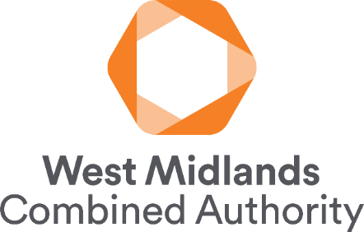 | Public Buildings Application Form to support public building applications for the WMCA Devolved Buildings' Retrofit Pilot

Stage 1 Applications: Please complete all tabs coloured yellow (3 - 10). Stage 2 Applications: Please complete/update all tabs, including those coloured in blue (11 - 13). Do not update Indicative Measures (7) or Estimated Stage 1 Cost (9). Please save your file dated and with the name of your organisation (YYYYMMDD WMCA Pub Build App Form 'Name of Organisation'). Once complete, please return the form to devolved.retrofit@wmca.org.uk. When completing the form, please refer to the WMCA Scheme Guidance Document to assist you. For support in completing this application, please reach out to the WMCA Hub at the above email. Where boxes do not give sufficient space to complete answers, please insert additional lines or expand cells to give the required space.

Link to WMCA Scheme Guidance

